D.El.Ed Non Teaching (2)
Sl.No | Name of the Staff | Picture | Father`s Name | Address | Category(Gen/SC/ST/OBC/Others) | Contact No./Mobile No. | Qualification | Percentage | Experience | Date of Joining | Date of Resign | Reasons of Resignatiopn of the staff | Bank A/c No. | Details of sala ry | Appointment aginst whom | Remarks if any,
1 | Susama Dutta | 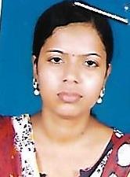 | Debyendu Dutta | Vill - Sujanagar, Po - Choto Chatla, Ps - Belda, Dist - Paschim Medinipur, Pin - 721424 | OBC - B | 8348181483 | H.S/B.A/DITA | 67.4% /44% | 3 Years | 14.03.2017 |  |  | SBI - 20315676450, IFSC Code - SBIN0002017 | 5000
2 | Suman Das | 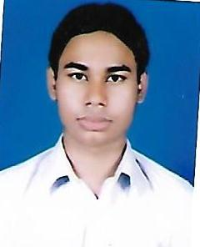 | Naran Chandra Das | Vill - Nabodaypalli, Po -+ Ps - Belda, Dist - Paschim Medinipur, Pin - 7201424 | Gen | 8101525559 | H.S |  |  | 14.03.2017 |  |  | 3107166000000402 | 5000
3 | Shaibal Rana |  | Shyamapada Rana | Vill - Baramohanpur,Po - Khakurda, Dist - Paschim Medinipur, Pin - 721424 | O.B.C - B | 9933032520 | B.A |  |  | 14.03.2017 |  |  | 3107166000000379 | 5000
4 | Sanjay Kumar Das |  | Late Goutam Kumar Das | Vill - deuli(Purba)Po+Ps - Belda, Dist - Paschim Medinipur, Pin - 721424 | Gen | 8944848464 | B.C.A/M.CA | 75%/83.9% |  | 14.03.2017 |  |  | 3107166000000272 | 7000
5 | Ila Pramanik | 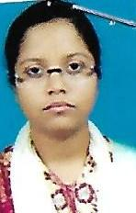 | Dhirendra Nath Pramanik | Vill - Rasulpur, Po- Lalnagar, Ps- Belda, Dist - Paschim Medinipur, Pin - 721424 | SC | 9609750692 | B.A | 51% |  | 14.03.2017 |  |  | 3107166000000381 | 4500

