D.el.ed
Saradamoyee College of Education
Fulgeria, Thakurchak, Paschim Meedinipur
Ph. No - 8972414541
Sl.No | Name of the Staff | Picture | Father`s Name | Address | Category(Gen/SC/ST/OBC/Others) | Contact No./Mobile No. | Qualification | Percentage | Experience | Date of Joining | Date of Resign | Reasons of Resignatiopn of the staff | Bank A/c No. | Details of sala ry | Appointment aginst whom | Remarks if any,
1 | Mnindra Nath Singha |  | Pratap Nath Singha | Vill + P.O. - Bhadutala, P.S. - Kotwali, Dist b- Paschim Medinipur | Gen | 8348296256 | B.Ed/M.Ed | 71.7%/78% | 5 Years 3 Month | 11.03.2017
2 | 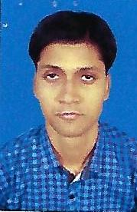 Pradip Kumar Bhunia |  | Late Bhanu Charan Bhunia | Vill -Palashi,Po - Jahalda,Ps -Belda,Dist -Paschim Medinipur,Pin -721443 | Gen | 8373846166 | B.Ed/M.Ed | 68.30%/64% | 4 th Years | 11.03.2017 |  |  | 3107166000000239 | 10000
3 | Ishita Paul | 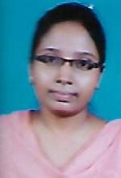 | Tapas Kumar Paul | Vill - Mahammadpur,Po+Ps - Belda,Dist - Paschim Medinipur,Pin - 721424 | Gen | 9732595069 | M.A. (Music)/B.Ed | 54.62%/54.60% |  | 11.03.2017 |  |  | 3107166000000170 | 8000
4 | Nityananda Das |  | Pravakar Das | Vill+Po - Baligeria,Ps - Nayagram,Dist - Jhargram,Pin - 721125 | Gen | 8436740503 |  |  |  | 11.03.2017 |  |  | 34543332447(SBI) IFSC Code - SBIN0008324 | 6000
5 |  Puspendu Sekhar Dey |  | Pulin Behari Dey | Vill+Po - Negua,Ps - Egra,Dist - Purba Medinipur,Pin - 721448 | OBC - B | 9800640998 | M.Sc,B.P.Ed./ M.P.Ed | 57.60%/74.16%/73.06% |  | 11.03.2017 |  |  | 3107166000000203 | 10000
6 | Golak Pati Dhal |  | Late Debendra Nath Dhal | Vill -Kakhuria,Po -Itaberia,Ps -Patashpur,Dist -Purba Medinipur,Pin - 721456 | SC | 8906635669 | M.A.(Edu)/B.Ed | 64.5%/ 60% | 5 Years | 11.03.2017 |  |  | 3107166000000253 | 10000
7 | Shukdev Sahoo |  | Haripada Sahoo | Vill - Gurdala ,Po - Khakurda,Ps - Belda,Dist - Paschim Medinipur,Pin -721445 | OBC - B | 9804071029 | M.A.(Edu)/B.Ed | 66.88%/53.3% |  | 11.03.2017 |  |  | 3107166000000324 | 10000
8 | Sovan Singha Roy | 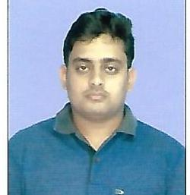 | Sukumar Singha Roy | Vill - Dakshin MechoGram ,Po - Uttar Mechogram,Ps - Panskura ,Dist - Purba Medinipur,Pin - | Gen | 7407131874 | M.Sc (Math)/ M.A. (Edu)/B.Ed | 70%/67.36%/66.60% |  | 11.03.2017 |  |  | 3107166000000182 | 8000
9 | 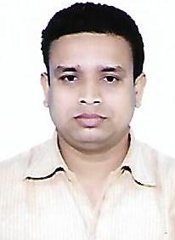 Dilip Kumar Pattanayak |  | Srikanta Kumar Pattanayak | Vill - Belda, P.O. - Mirzapur Belda, P.S. - Dantan, Dist - Paschim Medinipur, Pin - 721445 | Gen | 9800916711/9732332391 | M.Sc (Zool)/M.A.(Edu)/B.Ed. | 50.8%/ 55.45%/ 63.38% |  | 11.03.2017
10 | Shyamal Bera |  | Nitai Charan Bera | Vill +Po- Sashinda, Ps - Khakurda, Dist -Paschim Medinipur, Pin - 721445 | Gen | 9735471942 | B.A/B.L.I.S | 47%/65% |  | 11.03.2017 |  |  | 3107166000000414 | 5500

